Understanding the data
Learner Outcomes Reports for adult learning partnerships (Sta/Medr/06/2026)
Understanding the data
Introduction
1 Medr has published annual performance indicators for adult learning partnerships since 2013. This guidance explains what information is covered by the indicators, how they are calculated and how to interpret our reports.
What are Learner Outcomes Reports?
2 Learner Outcomes Reports, or LORs, are designed to give an overview of learners’ completion and attainment rates in each adult learning partnership in Wales. They are a ‘snapshot’ which show statistics for a particular year, but they also include trend information which shows how learner outcomes have changed over a three-year period. The statistics are all based on information provided to us by partnerships.
3 The LORs cover an academic year, which runs from 1 August – 31 July. There is a few months’ delay in publishing the reports, to give learning providers time to enter their data, check it and for analysis to be carried out, so reports are usually published in the spring following the academic year they relate to.
Reading the reports
4 There are three distinct types of AL provision:
· AL directly delivered by local authorities (LAs) - data submitted to LLWR by the local authority;
· AL delivered by LAs via a franchise arrangement with a further education institution (FEI) - data submitted to LLWR by the FEI; and
· AL directly delivered by FEIs - data submitted to LLWR by the FEI.
5 We have three performance measures for adult learning. All of them are based on learning activities or courses (such as Agored units or QCF qualifications) – a learner might do several different learning activities, and each one will be measured separately.
6 The measures are:
· Completion: of all the learning activities which started, how many were completed (the learner was still there at the end of the course)?
· Attainment: of the learning activities which were completed, how many resulted in the learner achieving the qualification they were aiming for?
· Success: this combines completion and attainment into a single overall measure: of all learning activities that were started, how many were successfully completed and achieved?
Trend charts
7 The first part of the report shows trends in performance for the past three years.
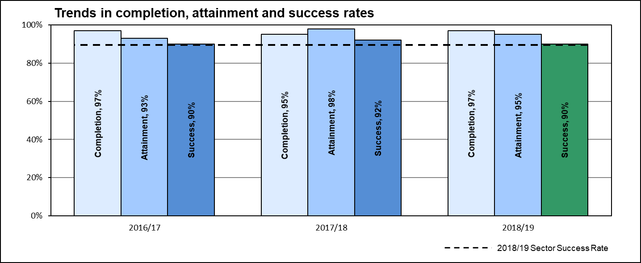 8 This chart shows three-year trends in completion, attainment and success. They are included to give an overall picture of how many learners complete their activities and of those who do complete, how many achieve the qualifications they aimed for. It also shows, of those learners who started activities, how many completed and achieved their qualifications.
Contextual learner data
9 The second part of the LOR shows some background information on learners’ age, gender, ethnicity and levels of deprivation. These are based on the profile of all learners who were studying within the partnership in 2024/25.
10 The deprivation data is based on learners’ postcode, and uses the Welsh Index of Multiple Deprivation to divide learners into five bands, ranging from the most deprived to the least deprived. The Index looks at a range of factors including social, health, housing and educational deprivation; these statistics therefore give an indication of whether the partnership is working with a high proportion of learners from deprived areas, which may have an effect on success rates.
Success rate breakdowns
11 The second section of the LOR shows a breakdown of learning activity completion and attainment rates. These are broken down by subject area (eg Adult Basic Education, ESOL, Information and Communications Technology) and level. They are grouped to reflect the most popular AL subject areas (Arts, Media and Publishing, Information and Communication Technology, Languages, Literature and Culture, Adult Basic Education and ESOL) and all other subjects are grouped under ‘other’.
12 This enables you to look at particular types of qualification or subjects that you’re interested in, and to see how the partnership’s learner outcomes vary. In some cases you may see that the success rates in a particular area are much higher or lower than the overall success rate for the partnership.
13 In the last column, we show the national comparators (the average for all adult learning partnerships in Wales, for that type of qualification or subject area). These give background information so that you can see how well the partnership has performed compared to the rest of Wales.
For further information
14 If you have any questions, or any comments on the LORs, please email us at statistics@medr.cymru
2026-03-18

Explanatory notes
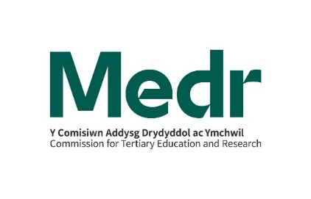
Quality and Effectiveness Framework
2024/25 Learner Outcomes Reports:
Explanatory notes for adult learning partnerships
Introduction
1 As part of the Quality and Effectiveness Framework for post-16 learning, Medr has developed standard Learner Outcomes Reports (LORs) for adult learning (AL) partnerships. This document provides detailed guidance for AL partnerships on the calculation of performance statistics which are included in LORs.
2 All of the LOR statistics are derived from the Lifelong Learning Wales Record (LLWR) and are based on an annual LLWR freeze. For 2024/25, the freeze was taken on 18 December 2025. All references in this document starting ‘LN’, ‘LP’, ‘LA’ or ‘AW’ relate to LLWR fields.
Section 1: summary charts

3 The summary charts are designed to show an overview of trends in completion, attainment and success rates over a three-year period.
4 The learner cohort for all of the calculations is based on learning activities that:
· were expected to complete during 2024/25 (LA10); or
· were expected to complete prior to 2024/25 but which terminated during 2024/25 (LA30).
5 Learning activities with an expected duration of 24 weeks or longer that terminated within 8 weeks of commencing without completion are treated as early drop outs and excluded from all calculations.
6 The chart shows completion, attainment and success rates, defined as follows:

Note: Terminated learning activities include all activities recorded in LA31 (completion status) as 2, 3, 5 or 6.
Section 2: contextual information

Age and gender
7 The statistics are derived from LN15 (date of birth) and LN16 (gender). A learner’s age group is calculated from their age as at 31 August in the year they started their learning activity; learners with an unknown date of birth are included in the 19+ age group. The totals include any learners who do not associate themselves with a binary gender identity of male or female.
Ethnicity
8 The statistics are derived from LN17 (ethnic origin) and are grouped as follows:
Asian, Asian Welsh, Asian British = 31, 32, 33, 34, 39
Black, African, Caribbean, Black Welsh, Black British = 21, 22, 29
Mixed, Multiple ethnic groups = 41, 42, 43, 49
White = 11, 12, 13, 14, 15, 16
Other ethnic groups = 50, 80
9 Percentages are calculated as a proportion of learners with known ethnicity (i.e. excluding those learners where LN17 = 90 or 99).
Deprivation
10 The statistics are derived from mapping LP09 (Postcode at start of Learning Programme) to the Welsh Index of Multiple Deprivation (WIMD) 2019. The WIMD is the official measure of deprivation in small areas in Wales. The statistics are grouped by quintiles i.e. the percentage of learners domiciled in the one-fifth most deprived areas are detailed in the first row of the table, the percentage of learners in the next one-fifth deprived areas are detailed in the second row and so on.
Employment
11 We have reinstated the table on employment status, based on what is recorded in LP11. This field was withdrawn for part-time learners in 2011/12 to reduce the burden on AL providers, but at the request of the sector, collection of LLWR field LP11 was reinstated from 2014/15. This will enable Partnerships to demonstrate that they are targeting Welsh Government priority groups.
Section 3: Sector subject area breakdown

Note: For sector subject areas with fewer than 10 learning activities, the figures within the table have been suppressed and replaced with a '*'
12 The qualification level is derived from LA06 and LA22. If the Qualification Accreditation Number (QAN) is present on the Qualifications in Wales (QiW) database, the level and type are derived from QiW. If LA06 contains a generic code, the level and type are mapped from LA22 and the 3rd and 4th characters of LA06 respectively.
13 The sector subject area is derived from LA06 and LA21. If the Qualification Accreditation Number (QAN) is present on the Qualifications in Wales (QiW) database, the sector subject area is derived from QiWWhere LA06 contains a valid WLAD code, the sector subject area is derived from the WLAD. If LA06 contains a generic code, the sector subject area is mapped from LA231 (with the exception of key skills qualifications which are mapped directly to sector subject area 14(c)).
14 National comparators are included in the final column. These are shown as contextual information only and do not affect the RAGing.
For further information, please email statistics@medr.cymru
2026-03-18

LOR
Trends in completion, attainment and success rates
 | Completion | Attainment | Success | Dark Green | Green | Orange | Red | Sector success rate
 |  |  |  |  |  |  |  | 87.00%
 | 96%
2022/23 |  | 0.89
 |  |  | 0.86
 | 95%
2023/24 |  | 0.89
 |  |  | 0.86
 | 95%
2024/25 |  | 0.9
 |  |  | 0.86
 |  |  |  |  |  |  |  | 87.00%
ACL PARTNERSHIP: ADULT LEARNING WALES

 | F0009040
 |  | Sector success rate | Completion | Attainment | Success | Dark Green | Green | Orange | Red
 |  | 87.00%
 |  |  | 96%
 | 2022/23 |  |  | 89%
 |  |  |  |  | 86%

 |  |  | 95%
 | 2023/24 |  |  | 89%
 |  |  |  |  | 86%

 |  |  | 95%
 | 2024/25 |  |  | 90%
 |  |  |  |  | 86%
 |  | 87.00%

Contextual learner data - 2024/25

Age and gender |  | 16-18 |  | 19+ |  | All Ages |  | Ethnicity |  |  | Deprivation of domicile
 |  |  |  |  |  |  |  | Asian, Asian Welsh, Asian British |  | 33.6% | Most Deprived | 30.8%
Male |  | 1.0% |  | 28.9% |  | 29.9% |  | Black, African, Caribbean, Black Welsh, Black British |  | 11.9% |  | 21.3%
Female |  | 3.3% |  | 66.0% |  | 69.2% |  | Mixed, Multiple ethnic groups |  | 6.3% |  | 19.1%
 |  |  |  |  |  |  |  | White |  | 32.4% |  | 15.1%
Total |  | 4.4% |  | 95.6% |  | 100.0% |  | Other ethnic groups |  | 15.8% | Least Deprived | 13.6%

Learners' employment status at start of course
Employed (including self employed) |  |  |  |  |  |  | 38.8%
Non-employed and not available for/not seeking work |  |  |  |  |  |  | 37.7%
Non-employed and available for/seeking work |  |  |  |  |  |  | 3.4%
Full-time education or training |  |  |  |  |  |  | 0.0%
Other (including part-time education or training) |  |  |  |  |  |  | 0.0%
Not known |  |  |  |  |  |  | 20.1%

Success rates by level and sector subject area - 2024/25

Level |  | Sector Subject Area |  |  |  |  |  |  |  |  | Partnership | National Comparator 2024/25
Entry Level |  | Arts, Media and Publishing |  |  |  |  |  |  |  |  | 89% | 86%
 |  | Information and Communication Technology |  |  |  |  |  |  |  |  | 84% | 84%
 |  | Languages, Literature and Culture |  |  |  |  |  |  |  |  | 86% | 93%
 |  | Adult Basic Education |  |  |  |  |  |  |  |  | 85% | 86%
 |  | English for Speakers of Other Languages |  |  |  |  |  |  |  |  | 78% | 80%
 |  | Other |  |  |  |  |  |  |  |  | 87% | 89%
Level 1 |  | Arts, Media and Publishing |  |  |  |  |  |  |  |  | 88% | 87%
 |  | Information and Communication Technology |  |  |  |  |  |  |  |  | 95% | 80%
 |  | Languages, Literature and Culture |  |  |  |  |  |  |  |  | 81% | 85%
 |  | Adult Basic Education |  |  |  |  |  |  |  |  | 27% | 84%
 |  | English for Speakers of Other Languages |  |  |  |  |  |  |  |  | 82% | 80%
 |  | Other |  |  |  |  |  |  |  |  | 90% | 88%
Level 2 |  | Arts, Media and Publishing |  |  |  |  |  |  |  |  | 81% | 82%
 |  | Information and Communication Technology |  |  |  |  |  |  |  |  | 93% | 87%
 |  | Languages, Literature and Culture |  |  |  |  |  |  |  |  | * | 81%
 |  | Adult Basic Education |  |  |  |  |  |  |  |  | 72% | 79%
 |  | English for Speakers of Other Languages |  |  |  |  |  |  |  |  | 56% | 75%
 |  | Other |  |  |  |  |  |  |  |  | 90% | 91%
Other levels |  | Arts, Media and Publishing |  |  |  |  |  |  |  |  | n/a | *
(incl. not known) |  | Information and Communication Technology |  |  |  |  |  |  |  |  | 20% | 75%
 |  | Languages, Literature and Culture |  |  |  |  |  |  |  |  | n/a | *
 |  | Adult Basic Education |  |  |  |  |  |  |  |  | n/a | 84%
 |  | English for Speakers of Other Languages |  |  |  |  |  |  |  |  | n/a | *
 |  | Other |  |  |  |  |  |  |  |  | 92% | 89%
 |  |  |  |  |  |  |  |  |  |  | X |  | 22.000
 |  |  |  |  |  |  |  |  |  |  |  | Source: Lifelong Learning Wales Record (LLWR) - data as at 18 December 2025

Note: For sector subject areas with fewer than 10 learning activities, the figures within the table have been suppressed and
...

