Understanding the data
Learner Outcomes Reports for adult learning partnerships
Sta/Medr/07/2025
Understanding the data
Introduction
1 Medr has published annual performance indicators for adult learning partnerships since 2013. This guidance explains what information is covered by the indicators, how they are calculated and how to interpret our reports.
What are Learner Outcomes Reports?
2 Learner Outcomes Reports, or LORs, are designed to give an overview of learners’ completion and attainment rates in each adult learning partnership in Wales. They are a ‘snapshot’ which show statistics for a particular year, but they also include trend information which shows how learner outcomes have changed over a three-year period. The statistics are all based on information provided to us by partnerships.
3 The LORs cover an academic year, which runs from 1 August – 31 July. There is a few months’ delay in publishing the reports, to give learning providers time to enter their data, check it and for analysis to be carried out, so reports are usually published in the spring following the academic year they relate to.
Reading the reports
4 There are three distinct types of AL provision:
· AL directly delivered by local authorities (LAs) - data submitted to LLWR by the local authority;
· AL delivered by LAs via a franchise arrangement with a further education institution (FEI) - data submitted to LLWR by the FEI; and
· AL directly delivered by FEIs - data submitted to LLWR by the FEI.
5 We have three performance measures for adult learning. All of them are based on learning activities or courses (such as Agored units or QCF qualifications) – a learner might do several different learning activities, and each one will be measured separately.
6 The measures are:
· Completion: of all the learning activities which started, how many were completed (the learner was still there at the end of the course)?
· Attainment: of the learning activities which were completed, how many resulted in the learner achieving the qualification they were aiming for?
· Success: this combines completion and attainment into a single overall measure: of all learning activities that were started, how many were successfully completed and achieved?
Trend charts
7 The first part of the report shows trends in performance for the past three years.
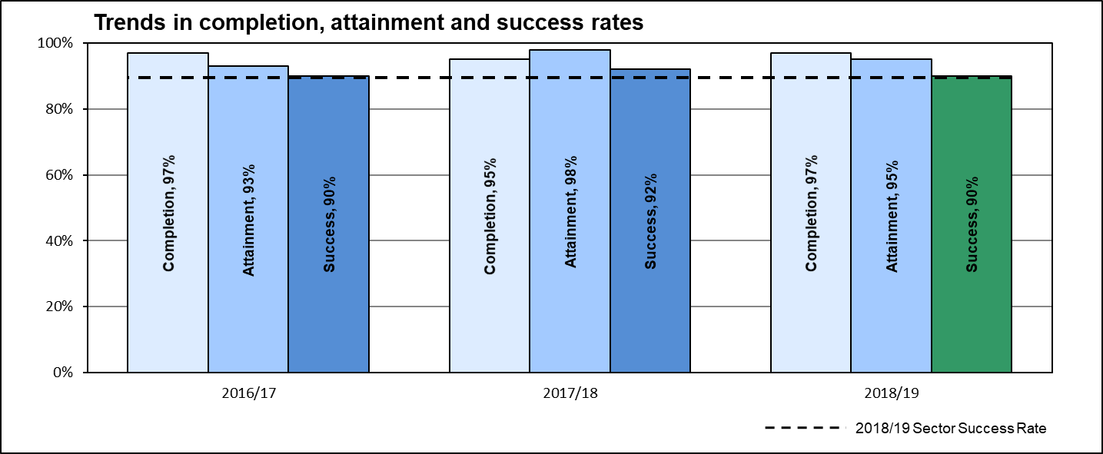 8 This chart shows three-year trends in completion, attainment and success. They are included to give an overall picture of how many learners complete their activities and of those who do complete, how many achieve the qualifications they aimed for. It also shows, of those learners who started activities, how many completed and achieved their qualifications.
Contextual learner data
9 The second part of the LOR shows some background information on learners’ age, gender, ethnicity and levels of deprivation. These are based on the profile of all learners who were studying within the partnership in 2023/24.
10 The deprivation data is based on learners’ postcode, and uses the Welsh Index of Multiple Deprivation to divide learners into five bands, ranging from the most deprived to the least deprived. The Index looks at a range of factors including social, health, housing and educational deprivation; these statistics therefore give an indication of whether the partnership is working with a high proportion of learners from deprived areas, which may have an effect on success rates.
Success rate breakdowns
11 The second section of the LOR shows a breakdown of learning activity completion and attainment rates. These are broken down by subject area (eg Adult Basic Education, ESOL, Information and Communications Technology) and level. They are grouped to reflect the most popular AL subject areas (Arts, Media and Publishing, Information and Communication Technology, Languages, Literature and Culture, Adult Basic Education and ESOL) and all other subjects are grouped under ‘other’.
12 This enables you to look at particular types of qualification or subjects that you’re interested in, and to see how the partnership’s learner outcomes vary. In some cases you may see that the success rates in a particular area are much higher or lower than the overall success rate for the partnership.
13 In the last column, we show the national comparators (the average for all adult learning partnerships in Wales, for that type of qualification or subject area). These give background information so that you can see how well the partnership has performed compared to the rest of Wales.
For further information
14 If you have any questions, or any comments on the LORs, please email us at statistics@medr.cymru
2025-10-03

LOR
ACL PARTNERSHIP: ADULT LEARNING WALES
Trends in completion, attainment and success rates
 | Completion | Attainment | Success | Dark Green | Green | Orange | Red | Sector success rate
 |  |  |  |  |  |  |  | 87.00%
 | 96%
2021/22 |  | 0.84
 |  |  | 0.81
 | 96%
2022/23 |  | 0.89
 |  |  | 0.86
 | 95%
2023/24 |  | 0.89
 |  |  | 0.86
 |  |  |  |  |  |  |  | 87.00%
 | F0009040
 |  | Sector success rate | Completion | Attainment | Success | Dark Green | Green | Orange | Red
 |  | 87.00%
 |  |  | 96%
 | 2021/22 |  |  | 84%
 |  |  |  |  | 81%

 |  |  | 96%
 | 2022/23 |  |  | 89%
 |  |  |  |  | 86%

 |  |  | 95%
 | 2023/24 |  |  | 89%
 |  |  |  |  | 86%
 |  | 87.00%

Contextual learner data - 2023/24

Age and gender |  | 16-18 |  | 19+ |  | All Ages |  | Ethnicity |  |  | Deprivation of domicile
 |  |  |  |  |  |  |  | Asian, Asian Welsh, Asian British |  | 3.5% | Most Deprived | 33.1%
Male |  | 1.4% |  | 25.5% |  | 27.0% |  | Black, African, Caribbean, Black Welsh, Black British |  | 0.9% |  | 20.3%
Female |  | 3.3% |  | 69.5% |  | 72.9% |  | Mixed, Multiple ethnic groups |  | 1.4% |  | 19.0%
 |  |  |  |  |  |  |  | White |  | 89.8% |  | 15.2%
Total |  | 4.8% |  | 95.2% |  | 100.0% |  | Other ethnic groups |  | 4.4% | Least Deprived | 12.4%

Learners' employment status at start of course
Employed (including self employed) |  |  |  |  |  |  | 17.0%
Non-employed and not available for/not seeking work |  |  |  |  |  |  | 10.4%
Non-employed and available for/seeking work |  |  |  |  |  |  | 0.3%
Full-time education or training |  |  |  |  |  |  | 0.1%
Other (including part-time education or training) |  |  |  |  |  |  | 0.2%
Not known |  |  |  |  |  |  | 72.1%

Success rates by level and sector subject area - 2023/24

Level |  | Sector Subject Area |  |  |  |  |  |  |  |  | Partnership | National Comparator 2023/24
Entry Level |  | Arts, Media and Publishing |  |  |  |  |  |  |  |  | 96% | 84%
 |  | Information and Communication Technology |  |  |  |  |  |  |  |  | 89% | 87%
 |  | Languages, Literature and Culture |  |  |  |  |  |  |  |  | 90% | 92%
 |  | Adult Basic Education |  |  |  |  |  |  |  |  | 80% | 86%
 |  | English for Speakers of Other Languages |  |  |  |  |  |  |  |  | 79% | 79%
 |  | Other |  |  |  |  |  |  |  |  | 94% | 92%
Level 1 |  | Arts, Media and Publishing |  |  |  |  |  |  |  |  | 88% | 80%
 |  | Information and Communication Technology |  |  |  |  |  |  |  |  | 76% | 86%
 |  | Languages, Literature and Culture |  |  |  |  |  |  |  |  | 65% | 85%
 |  | Adult Basic Education |  |  |  |  |  |  |  |  | 81% | 86%
 |  | English for Speakers of Other Languages |  |  |  |  |  |  |  |  | 65% | 77%
 |  | Other |  |  |  |  |  |  |  |  | 92% | 91%
Level 2 |  | Arts, Media and Publishing |  |  |  |  |  |  |  |  | * | 82%
 |  | Information and Communication Technology |  |  |  |  |  |  |  |  | 67% | 85%
 |  | Languages, Literature and Culture |  |  |  |  |  |  |  |  | 74% | 85%
 |  | Adult Basic Education |  |  |  |  |  |  |  |  | 74% | 78%
 |  | English for Speakers of Other Languages |  |  |  |  |  |  |  |  | 60% | 80%
 |  | Other |  |  |  |  |  |  |  |  | 88% | 89%
Other levels |  | Arts, Media and Publishing |  |  |  |  |  |  |  |  | n/a | *
(incl. not known) |  | Information and Communication Technology |  |  |  |  |  |  |  |  | * | *
 |  | Languages, Literature and Culture |  |  |  |  |  |  |  |  | n/a | *
 |  | Adult Basic Education |  |  |  |  |  |  |  |  | n/a | *
 |  | English for Speakers of Other Languages |  |  |  |  |  |  |  |  | * | *
 |  | Other |  |  |  |  |  |  |  |  | 97% | 88%
 |  |  |  |  |  |  |  |  |  |  | X |  | 22.000
 |  |  |  |  |  |  |  |  |  |  |  | Source: Lifelong Learning Wales Record (LLWR) - data as at 19 December 2024

Note: For sector subject areas with fewer than 10 learning activities, the figures within the table have been suppressed and
replaced with a '*'

